Sheet1
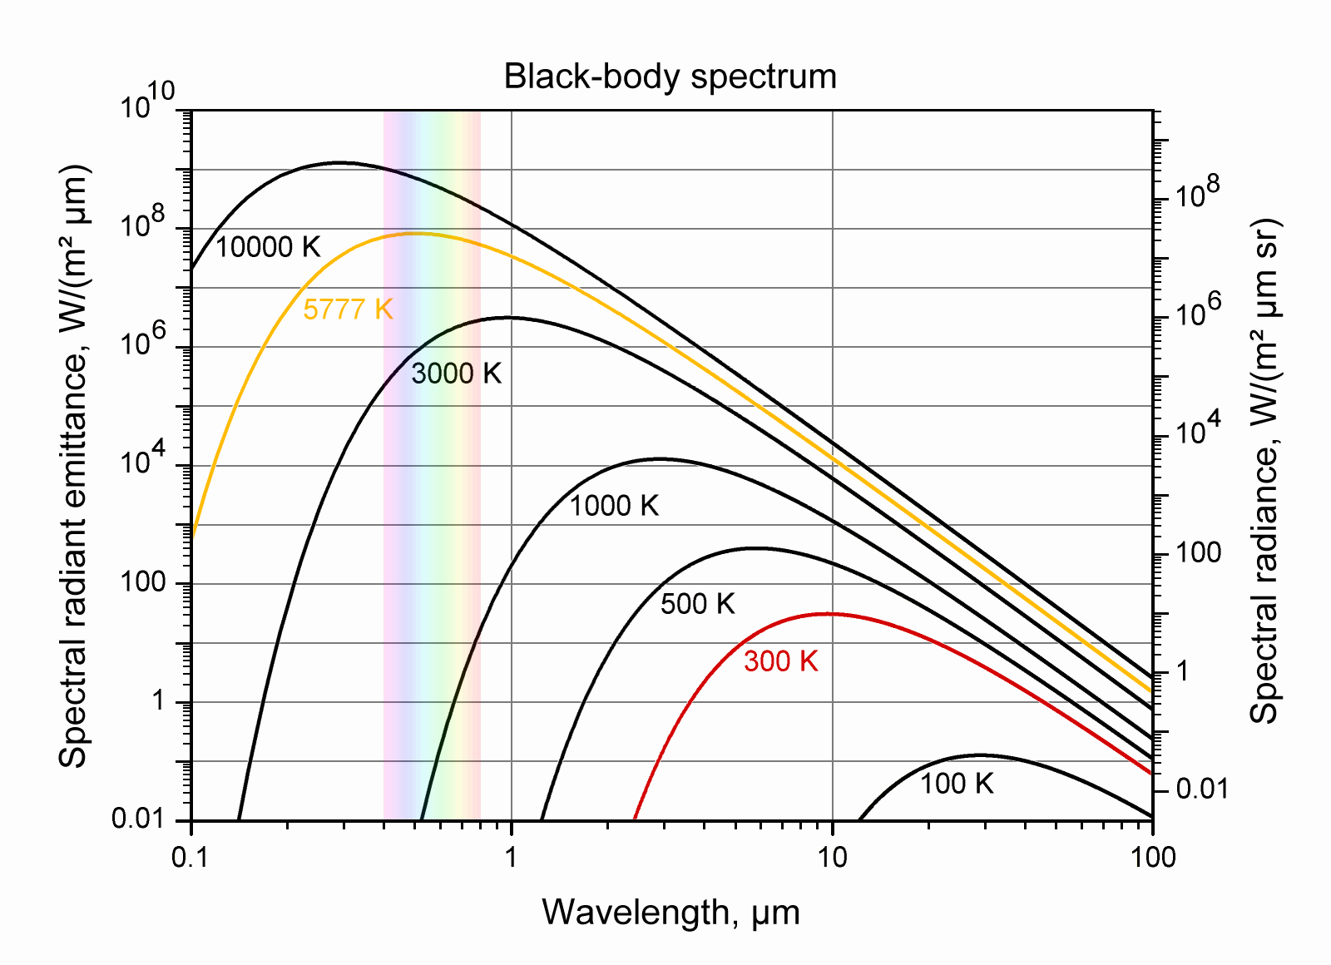
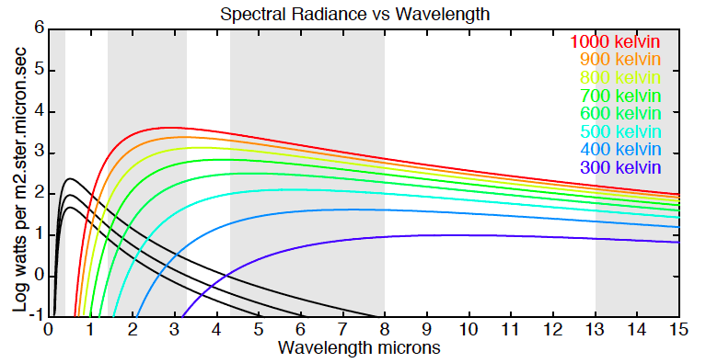
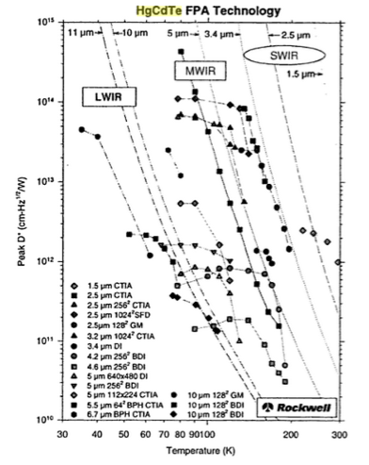
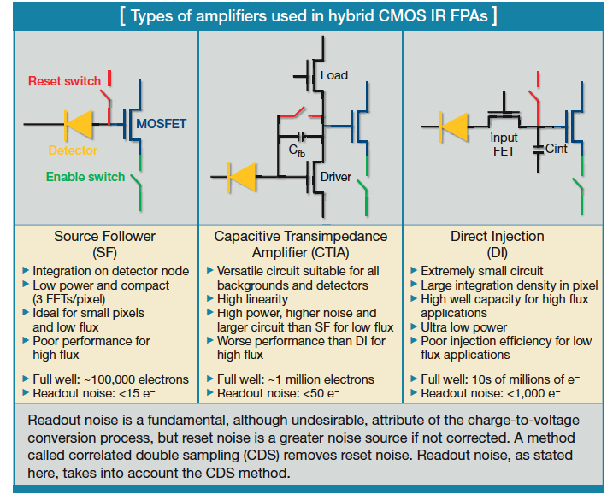
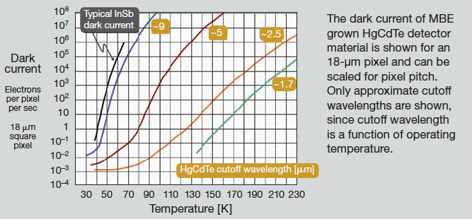
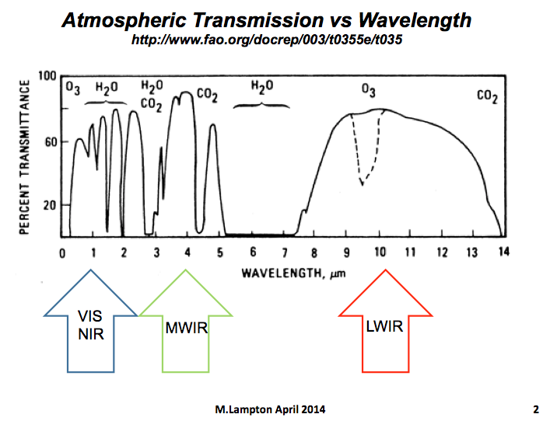

FUEGO Heat-Sensing Mission Comparison |  | inputs
M.Lampton 3 December 2013 |  | outputs

ref 1: Dennison P.E., and Matheson,D.S., "Comparison of fire temperature..."Remote Sens. Envir. v.115 (2011)
ref 2: Schmit, "ABI for GOES-R and beyond," Proc SPIE v.4895 (2003)
ref 3: Fiete R.D., Optical Engineering v.38#7 1229-1240 (1999).
ref 4: Kozlowski & Kosonocky "Infrared Detector Arrays," Handbook of Optics, Third Ed., v2 ch33 (2008)
ref 5: Lampton M., "FUEGO Airborne," 2nd Intl FUEGO Workshop, Berkeley (2014)
ref 6: Sprafke, T., and Beletic, J.W., "IR FPAs for Space Applications," OPN (June 2008)

WAVEBAND | Wavelength λ, μm= | 4 | 4 | 4 | 4 | 10
 | Bandwidth Δλ, μm= | 1 | 1 | 1 | 1 | 4
 | Photon energy at this wavelength, J= | 0.00E+00 | 0.00E+00 | 0.00E+00 | 0.00E+00 | 0.00E+00

SMALL (1MEGAWATT) FIRE | Area, m2= | 25 | 25 | 25 | 25 | 25
 | Temperature, K= | 1000 | 1000 | 1000 | 1000 | 1000
 | Emissivity, ε= | 0.7 | 0.7 | 0.7 | 0.7 | 0.7
 | Gray body spectral radiance, W/m2.ster.μm= | 2285 | 2285 | 2285 | 2285 | 259
 | Gray body spectral intensity, W/ster.μm= | 57129 | 57129 | 57129 | 57129 | 6466
 | Gray body intensity in band, W/ster= | 57129 | 57129 | 57129 | 57129 | 25864
 | Total Power, MW= | 0.99 | 0.99 | 0.99 | 0.99 | 0.99

BACKGROUND | NIGHT: Warm Earth (300K, ε=1) spectral radiance, W/m2.ster.μm= | 0.71 | 0.71 | 0.71 | 0.71 | 9.87
 | DAY: Noon sun (albedo=0.5) spectral radiance, W/m2.ster.μm= | 1.80 | 1.80 | 1.80 | 1.80 | 0.05

MISSION | Mission= | Geostationary | LEO | LEO | Airborne | Airborne
 | Observing Mode= | fixed target | pushbroom | pushbroom | pushbroom | pushbroom
 | Observing Altitude H, km= | 35800 | 500 | 500 | 20 | 20
 | which is miles= | 22196 | 310 | 310 | 12 | 12
 | Effective ground speed V, m/s= | 0 | 6900 | 6900 | 140 | 140
 | which is mph= | 0 | 15435 | 15435 | 313 | 313
 | Visits per day= | continuous | 2 | 2 | As needed | As needed

OPTICS | Optical aperture diameter D, m= | 0.25 | 0.1 | 0.1 | 0.025 | 0.025
 | Optical f/number giving good sampling = | 5 | 5 | 6 | 6 | 2.5
 | Net throughput including quantum efficiency= | 0.5 | 0.5 | 0.5 | 0.5 | 0.5
 | Diffraction limit angle λ/D, μrad= | 16 | 40 | 40 | 160 | 400
 | Optical focal length, m= | 1.25 | 0.5 | 0.5 | 0.15 | 0.0625
 | Diffraction radius at focus, μm= | 20 | 20 | 20 | 24 | 25
 | Optical cutoff freq at focus, cycles/mm= | 50 | 50 | 42 | 42 | 40
 | Plate scale at nadir, μm/km= | 35 | 1000 | 1000 | 7500 | 3125

SENSOR | Technology = | cooled MCT* | cooled MCT* | uncooled VOX | uncooled VOX | uncooled VOX
 | Pixel pitch p, μm= | 10 | 10 | 12 | 12 | 12
 | Number of pixels across track= | 2000 | 2000 | 1000 | 1000 | 1000
 | Number of pixels along track = | 2000 | 2000 | 1000 | 1000 | 1000
 | Frame rate, frames/sec= | 1 | 1 | 60 | 60 | 60
 | Full well diode capacity, Teledyne DI process, e/pixel= | 1.00E+06 | 1.00E+06 | NA | NA | NA
 | Read noise, Teledyne DI process, e_rms/pixel= | 1000 | 1000 | NA | NA | NA
 | Noise Equivalent Bolometric Power, W= | NA | NA | 1.50E-09 | 1.50E-09 | 1.50E-09
 | Dark internal rms noise/pixel, J= | 1.00E-15 | 1.00E-15 | 0.00E+00 | 0.00E+00 | 0.00E+00
 | Jones specific detectivity D*, cm√Hz/W= | typ 1E12 | typ 1E12 | 6.20E+06 | 6.20E+06 | 6.20E+06
 |  | *Cooled MCT assumes ideal 4π cold environment except for scene heat

PERFORMANCE | Plate scale at nadir, meters/pixel | 286 | 10 | 12 | 1.60 | 3.84
 | Pixels needed to span fire = | 1 | 1 | 1 | 10 | 2
 | Nadir ground swath per exposure, km= | 573 | 20.0 | 12 | 1.6 | 3.84
 | Update rate, images per day= | downlink limit | 2 passes/day | 2 passes/day | as needed | as needed
 | Fiete samples/FWHM = λ•fnumber/p = | 2.0 | 2.0 | 2.0 | 2.0 | 2.1
 |  | (we want to have approximately 2 samples per diffraction FWHM)
Overload Tmax | Fire power in band per pixel, W= | 0.00E+00 | 8.97E-10 | 8.97E-10 | 3.59E-09 | 9.36E-09
Overload Tmax | Background photon power in band per pixel, W= | 0.00E+00 | 0.00E+00 | 0.00E+00 | 0.00E+00 | 3.59E-10
Overload Tmax | Total (fire + bkg) photon rate per pixel, ph/sec= | 1.01E+08 | 1.81E+10 | 1.81E+10 | 7.22E+10 | 4.88E+11
Overload Tmax | Maximum pixel exposure time for full well, sec= | 9.86E-03 | 5.52E-05 | NA | NA | NA
Motion Tmax | Time in which vehicle ground motion is half a pixel, sec= | NA | 7.25E-04 | 8.70E-04 | 5.71E-03 | 1.37E-02
Net Tmax | Computed exposure time, sec= | 9.86E-03 | 5.52E-05 | 8.70E-04 | 5.71E-03 | 1.37E-02
 | This exposure time limit is due to = | overload | overload | motion | motion | motion
 | Fire energy in band per pixel, J= | 0.00E+00 | 0.00E+00 | 0.00E+00 | 0.00E+00 | 1.28E-10
 | Fire photons in band at pixel, ph/pix= | 2.17E+05 | 9.96E+05 | 1.57E+07 | 4.12E+08 | 6.45E+09
 | Background energy in band per pixel, J= | 0.00E+00 | 0.00E+00 | 0.00E+00 | 0.00E+00 | 0.00E+00
 | Background photons in pixel = | 7.83E+05 | 4.39E+03 | 6.90E+04 | 4.54E+05 | 2.48E+08
 | Background photon shot noise = sqrt(Nphotons) = | 8.85E+02 | 6.62E+01 | 2.63E+02 | 6.74E+02 | 1.57E+04
 | Total read and photon RMS noise in pixel, J= | 0.00E+00 | 0.00E+00 | 0.00E+00 | 0.00E+00 | 0.00E+00
 | SNR in a single frame, single pixel = | 11 | 50 | 0.0312 | 0.82 | 5.13
 | SNR in a single frame, coadded pixels = | 11 | 50 | 0.0312 | 2.6 | 6.7
 | How many frames shall we coadd? = | 10 | 1 | 100 | 100 | 100
SIGNALTO NOISE RATIO | Total SNR with coadded pixels and frames = | 34 | 50 | 0.312 | 26 | 67

NOISE CHECKS | warm earth radiance, W/m2.ster= | 0.70 | sun W/m2.ster= | 1.80
 | pixel solid angle Ω at f/5,ster= | 0.0314 | Ω at f/6, ster= | 0.0218
 | plus heat leaks imperfect baffling, ster= | 0.0314 |  | 0
 | pixel area, m2= | 1.00E-10 |  | 1.44E-10
 | power into pixel, W= | 0.00E+00 |  | 0.00E+00
 | exposure time, sec= | 0.003 |  | 0.006
 | energy into pixel, J= | 0.00E+00 |  | 0.00E+00
 | photons into pixel= | 265085 |  | 682485
 | sqrt(Nphotons)= | 515 |  | 826
 | Noise equivalent energy, J/pixel= | 0.00E+00 |  | 0.00E+00
 | Bolometric noise, J/pixel= | 0.00E+00 |  | 0.00E+00
 | total noise, J/pixel= | 0.00E+00 |  | 0.00E+00

